Home


 |  | TELENET - INVESTOR & ANALYST TOOLKIT Q3 2020

TABLE OF CONTENT

 | DEFINITIONS |  | MULTIPLE-PLAY

 | REBASED FY 2019 |  | WIGO

 | INCOME STATEMENT |  | YUGO

 | ADJUSTED EBITDA |  | PAY TELEVISION

 | CASH FLOW STATEMENT |  | MOBILE

 | STATEMENT OF FINANCIAL POSITION |  | GROUP STRUCTURE

 | ACCRUED CAPITAL EXPENDITURES |  | SHAREHOLDER STRUCTURE

 | CASH CAPITAL EXPENDITURES |  | DEBT PROFILE

 | OPERATING FREE CASH FLOW |  | NET LEVERAGE RATIO

 | OPERATING STATISTICS |  | ANALYST COVERAGE

 | OUTLOOK 2020 |  | REPORTING CALENDAR

 | BROADBAND SPECS

 | INVESTOR & ANALYST CONTACT

 |  | Rob Goyens

 |  | Vice-President Treasury, Investor Relations & Structured Finance
 |  | rob.goyens@telenetgroup.be
 |  | Phone: +32 15 333 054

 |  | Bart Boone

 |  | Manager Investor Relations
 |  | bart.boone@telenetgroup.be
 |  | Phone: +32 15 333 738

 |  | Martine Van Dromme

 |  | Corporate Access
 |  | martine.van.dromme@telenetgroup.be
 |  | Phone: +32 15 332 159

Group structure
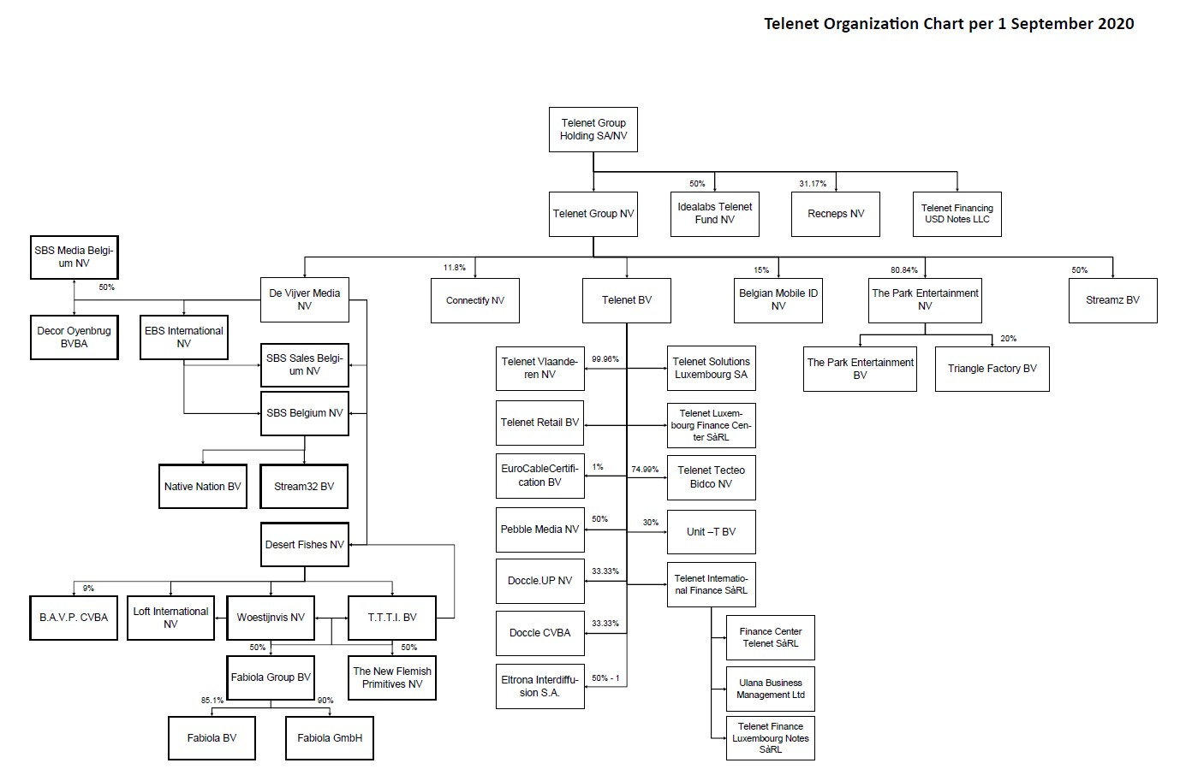
Group structure
The structure of the Telenet Group as of September 1, 2020 is the following:
 | Return to Home page

