Mobile

Return to Home page

Group structure
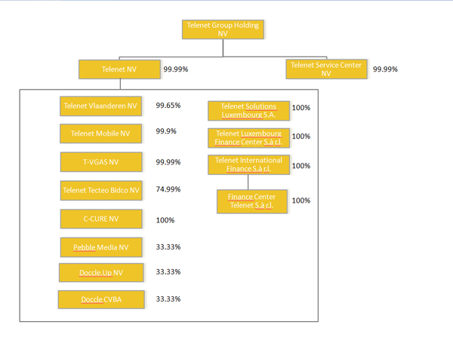
The current structure of the Telenet Group as of June 30, 2012, is the following:
 | Return to Home page

