Home


 |  | TELENET - INVESTOR & ANALYST TOOLKIT Q3 2017

TABLE OF CONTENT

 | DEFINITIONS |  | MULTIPLE-PLAY

 | REPRESENTED FY 2016 |  | WIGO

 | REBASED GROWTH |  | PAY TELEVISION

 | INCOME STATEMENT |  | MOBILE

 | ADJUSTED EBITDA |  | GROUP STRUCTURE

 | CASH FLOW STATEMENT |  | SHAREHOLDER STRUCTURE

 | STATEMENT OF FINANCIAL POSITION |  | DEBT PROFILE

 | CAPITAL EXPENDITURES |  | NET LEVERAGE RATIO

 | OPERATING STATISTICS |  | ANALYST COVERAGE

 | OUTLOOK 2017 |  | REPORTING CALENDAR

 | BROADBAND SPECS

INVESTOR & ANALYST CONTACT

 | Rob Goyens

 | Vice-President Treasury, Investor Relations & Structured Finance
 | rob.goyens@telenetgroup.be
 | Phone: +32 15 333 054

 | Dennis Dendas

 | Investor Relations Analyst
 | dennis.dendas@telenetgroup.be
 | Phone: +32 15 332 142

Group structure
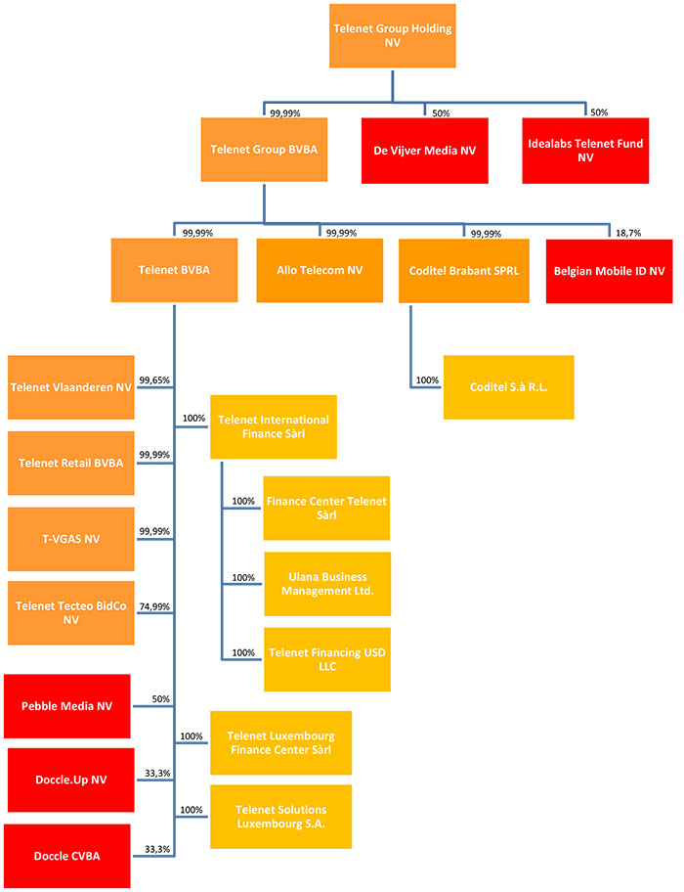
Group structure
The structure of the Telenet Group as of June 19, 2017 is the following:
 | Return to Home page

